Summary & B&C (2011) comparison
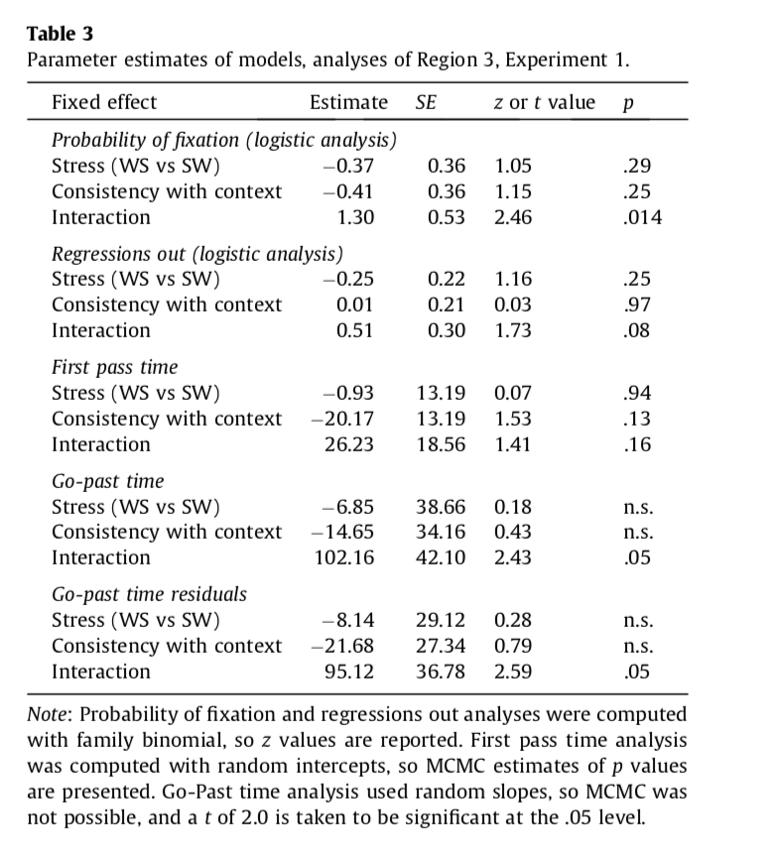
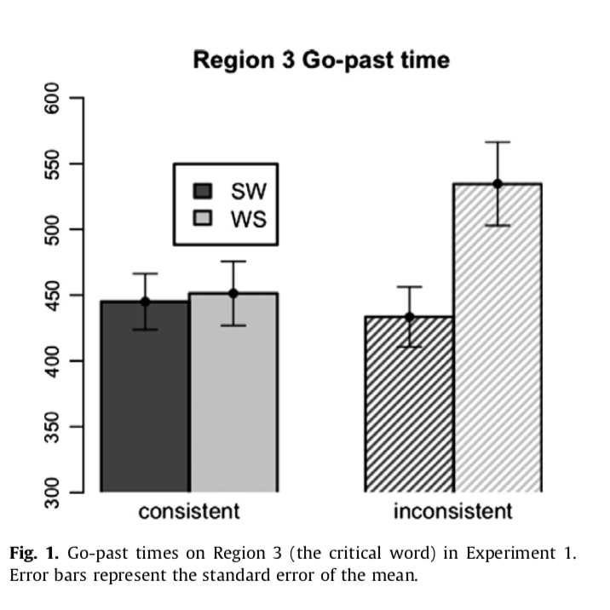
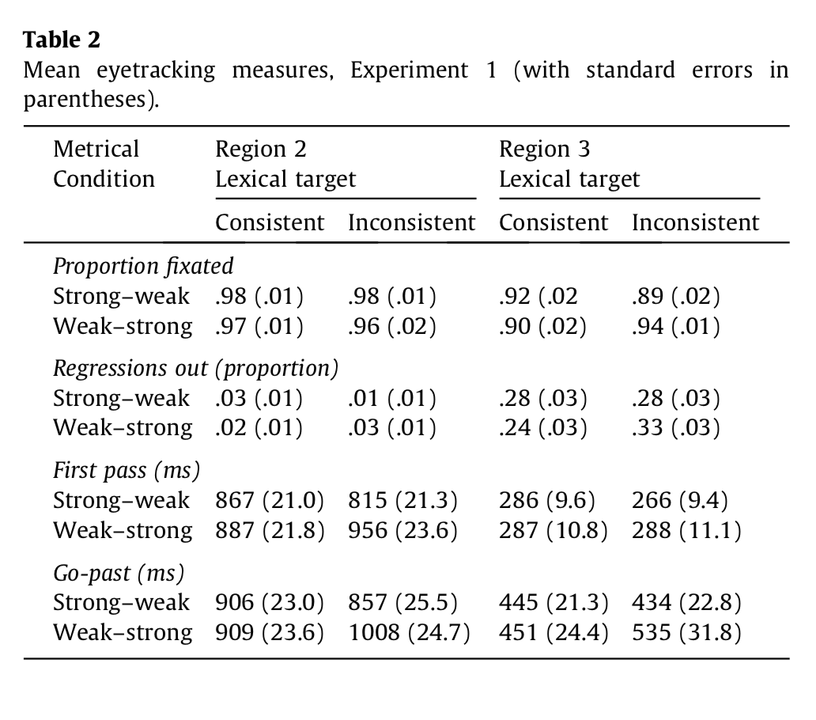
Mean eyetracking measures for the present study (with standard errors in parentheses)
2nd task | Region 2 |  | Region 3
 | match | clash | match | clash

Proportion fixated (probability)
tap
this

Regressions out (probability)
tap
this

First pass (ms)
tap
this

Go-past (ms)
tap
this

First fixation (ms)
tap | n/a | n/a
this | n/a | n/a

R3 - probRegression
MEAN ProbRegression ClashType R3
probRegression |  |  |  | "probability of regressing out of a region given that it w as fixated during first pass"
SOURCE: | grand | mean
clashty | secondt | n | N | MEAN | SD | SE
 |  | 1507 | 160 | 0.2005 | 0.1761 | 0.0139

SOURCE: | clashtype
clashty | secondt | n | N | MEAN | SD | SE
match |  | 757 | 80 | 0.191 | 0.1607 | 0.018
clash |  | 750 | 80 | 0.2101 | 0.1908 | 0.0213

MEAN ProbRegression SecondTask R3
SOURCE: | secondtask
clashty | secondt | n | N | MEAN | SD | SE
 | tap | 725 | 80 | 0.199 | 0.1705 | 0.0191
 | this | 782 | 80 | 0.2021 | 0.1826 | 0.0204

SOURCE: | clashtype | secondtask
clashty | secondt | n | N | MEAN | SD | SE
match | tap | 381 | 40 | 0.1822 | 0.1379 | 0.0218
match | this | 376 | 40 | 0.1999 | 0.182 | 0.0288
clash | tap | 344 | 40 | 0.2159 | 0.1982 | 0.0313
clash | this | 406 | 40 | 0.2042 | 0.1854 | 0.0293

MEAN ProbRegression R3
FACTOR | : | subj | clashtype | secondtask | time
LEVELS | : | 40 | 2 | 2 | 160
TYPE | : | RANDOM | WITHIN | WITHIN | DATA

SOURCE | SS | df | MS | F | p
===============================================================
mean | 6.4351 | 1 | 6.4351 | 85.308 | 0 | ***
s/ | 2.9419 | 39 | 0.0754

clashty | 0.0145 | 1 | 0.0145 | 1.331 | 0.256
cs/ | 0.4236 | 39 | 0.0109

secondt | 0.0004 | 1 | 0.0004 | 0.022 | 0.883
ss/ | 0.6605 | 39 | 0.0169

cs | 0.0087 | 1 | 0.0087 | 0.384 | 0.539
css/ | 0.8805 | 39 | 0.0226

R3 - probFixation
MEAN ProbFixation Clashtype R3
probFixation
SOURCE: | grand | mean
clashty | secondt | n | N | MEAN | SD | SE
 |  | 1507 | 160 | 46.0037 | 24.0086 | 1.898

SOURCE: | clashtype
clashty | secondt | n | N | MEAN | SD | SE
match |  | 757 | 80 | 46.0243 | 23.5288 | 2.6306
clash |  | 750 | 80 | 45.9832 | 24.6275 | 2.7534

MEAN ProbFixation SecondTask R3
SOURCE: | secondtask
clashty | secondt | n | N | MEAN | SD | SE
 | tap | 725 | 80 | 47.3829 | 24.3901 | 2.7269
 | this | 782 | 80 | 44.6245 | 23.6936 | 2.649

SOURCE: | clashtype | secondtask
clashty | secondt | n | N | MEAN | SD | SE
match | tap | 381 | 40 | 46.7778 | 25.01 | 3.9544
match | this | 376 | 40 | 45.2708 | 22.2428 | 3.5169
clash | tap | 344 | 40 | 47.9881 | 24.0575 | 3.8038
clash | this | 406 | 40 | 43.9782 | 25.3292 | 4.0049

FACTOR | : | subj | clashtype | secondtask | time
LEVELS | : | 40 | 2 | 2 | 160
TYPE | : | RANDOM | WITHIN | WITHIN | DATA
MEAN ProbFixation R3
SOURCE | SS | df | MS | F | p
===============================================================
mean | 338614.9154 | 1 | 338614.9154 | 201.124 | 0 | ***
s/ | 65661.0428 | 39 | 1683.6165

clashty | 0.0677 | 1 | 0.0677 | 0 | 0.987
cs/ | 9861.8573 | 39 | 252.8681

secondt | 304.3534 | 1 | 304.3534 | 1.938 | 0.172
ss/ | 6125.9092 | 39 | 157.0746

cs | 62.6468 | 1 | 62.6468 | 0.254 | 0.617
css/ | 9633.4088 | 39 | 247.0105

R3 - firstFixation
MEAN FirstFixation ClashType R3
firstFixation
SOURCE: | grand | mean
clashty | secondt | n | N | MEAN | SD | SE
 |  | 74 | 48 | 240.0382 | 63.7791 | 9.2057

SOURCE: | clashtype
clashty | secondt | n | N | MEAN | SD | SE
match |  | 40 | 26 | 254.8526 | 75.411 | 14.7893
clash |  | 34 | 22 | 222.5303 | 41.7275 | 8.8963

MEAN FirstFixation SecondTask R3
SOURCE: | secondtask
clashty | secondt | n | N | MEAN | SD | SE
 | tap | 37 | 25 | 244.1933 | 55.6636 | 11.1327
 | this | 37 | 23 | 235.5217 | 72.5891 | 15.1359

SOURCE: | clashtype | secondtask
clashty | secondt | n | N | MEAN | SD | SE
match | tap | 18 | 11 | 253.9545 | 69.7583 | 21.0329
match | this | 22 | 15 | 255.5111 | 81.7195 | 21.0999
clash | tap | 19 | 14 | 236.5238 | 42.8132 | 11.4423
clash | this | 15 | 8 | 198.0417 | 27.2482 | 9.6337

../../anova: Unequal cell design did not have proportional cell sizes.

MEAN FirstFixation R3

R3 - firstPass
MEAN FirstPass ClashType R3
firstPassTime |  |  | "sum of all fixation durations made from first entering to first leaving a region, eliminating trials on which no such fixations occurred"
SOURCE: | grand | mean
clashty | secondt | n | N | MEAN | SD | SE
 |  | 687 | 156 | 236.6264 | 88.4325 | 7.0803

SOURCE: | clashtype
clashty | secondt | n | N | MEAN | SD | SE
match |  | 347 | 78 | 239.6513 | 92.6035 | 10.4853
clash |  | 340 | 78 | 233.6015 | 84.5472 | 9.5731

SOURCE: | secondtask
clashty | secondt | n | N | MEAN | SD | SE
 | tap | 345 | 79 | 238.8411 | 97.2818 | 10.9451
MEAN FirstPass SecondTask R3
 | this | 342 | 77 | 234.3541 | 78.9061 | 8.9922

SOURCE: | clashtype | secondtask
clashty | secondt | n | N | MEAN | SD | SE
match | tap | 179 | 39 | 234.8448 | 96.7776 | 15.4968
match | this | 168 | 39 | 244.4578 | 89.2365 | 14.2893
clash | tap | 166 | 40 | 242.7376 | 98.8444 | 15.6287
clash | this | 174 | 38 | 223.9845 | 66.2758 | 10.7514

../../anova: Unbalanced factor.
../../anova: Unbalanced factor.
FACTOR : subj clashtype secondtask time
LEVELS : 40 2 2 160
MEAN firstPass R3
TYPE : RANDOM WITHIN WITHIN DATA
../../anova: No F table due to previous fatal error. |  |  |  |  |  |  | fatal | error.

R3 - goPast
MEAN GoPastTime ClashType R3
goPast |  |  | "sum of all fixation durations made from first entering a region to first leaving it to the right"
SOURCE: | grand | mean
clashty | secondt | n | N | MEAN | SD | SE
 |  | 687 | 156 | 451.9272 | 254.4827 | 20.3749

SOURCE: | clashtype
clashty | secondt | n | N | MEAN | SD | SE
match |  | 347 | 78 | 456.9829 | 248.0179 | 28.0825
clash |  | 340 | 78 | 446.8715 | 262.2962 | 29.6992

MEAN GoPastTime SecondTask R3
SOURCE: | secondtask
clashty | secondt | n | N | MEAN | SD | SE
 | tap | 344 | 79 | 461.7763 | 280.6814 | 31.5791
 | this | 343 | 77 | 441.8223 | 225.8755 | 25.7409

SOURCE: | clashtype | secondtask
clashty | secondt | n | N | MEAN | SD | SE
match | tap | 178 | 39 | 460.8453 | 253.9335 | 40.6619
match | this | 169 | 39 | 453.1205 | 245.2177 | 39.2663
clash | tap | 166 | 40 | 462.684 | 307.7881 | 48.6656
clash | this | 174 | 38 | 430.2267 | 206.8037 | 33.548

MEAN GoPastTime R3
../../anova: Unbalanced factor.
../../anova: Unbalanced factor.
FACTOR : subj clashtype secondtask time
LEVELS : 40 2 2 160
TYPE : RANDOM WITHIN WITHIN DATA
../../anova: No F table due to previous fatal error.

R2 - probRegression
MEAN ProbRegression ClashType R2
ProbRegression R2 |  |  |  |  | "probability of regressing out of a region given that it w as fixated during first pass"
SOURCE: | grand | mean
clashty | secondt | n | N | MEAN | SD | SE
 |  | 1507 | 160 | 0.2071 | 0.1833 | 0.0145

SOURCE: | clashtype
clashty | secondt | n | N | MEAN | SD | SE
match |  | 757 | 80 | 0.197 | 0.1892 | 0.0212
clash |  | 750 | 80 | 0.2172 | 0.1779 | 0.0199

MEAN ProbRegression SecondTask R2
SOURCE: | secondtask
clashty | secondt | n | N | MEAN | SD | SE
 | tap | 725 | 80 | 0.1756 | 0.175 | 0.0196
 | this | 782 | 80 | 0.2386 | 0.1871 | 0.0209

SOURCE: | clashtype | secondtask
clashty | secondt | n | N | MEAN | SD | SE
match | tap | 381 | 40 | 0.1649 | 0.1855 | 0.0293
match | this | 376 | 40 | 0.229 | 0.1897 | 0.03
clash | tap | 344 | 40 | 0.1862 | 0.1654 | 0.0262
clash | this | 406 | 40 | 0.2482 | 0.1864 | 0.0295

MEAN ProbRegression R2
FACTOR | : | subj | clashtype | secondtask | time
LEVELS | : | 40 | 2 | 2 | 160
TYPE | : | RANDOM | WITHIN | WITHIN | DATA

SOURCE | SS | df | MS | F | p
===============================================================
mean | 6.8616 | 1 | 6.8616 | 97.394 | 0 | ***
s/ | 2.7476 | 39 | 0.0705

clashty | 0.0163 | 1 | 0.0163 | 0.729 | 0.399
cs/ | 0.8751 | 39 | 0.0224

secondt | 0.1589 | 1 | 0.1589 | 8.784 | 0.005 | **
ss/ | 0.7056 | 39 | 0.0181

cs | 0 | 1 | 0 | 0.002 | 0.964
css/ | 0.8393 | 39 | 0.0215

R2 - probFixation
MEAN ProbFixation Clashtype R2
probFixation R2
SOURCE: | grand | mean
clashty | secondt | n | N | MEAN | SD | SE
 |  | 1507 | 160 | 92.0388 | 10.6647 | 0.8431

SOURCE: | clashtype
clashty | secondt | n | N | MEAN | SD | SE
match |  | 757 | 80 | 90.1319 | 10.6845 | 1.1946
clash |  | 750 | 80 | 93.9457 | 10.3628 | 1.1586

MEAN ProbFixation SecondTask R2
SOURCE: | secondtask
clashty | secondt | n | N | MEAN | SD | SE
 | tap | 725 | 80 | 91.9519 | 9.2504 | 1.0342
 | this | 782 | 80 | 92.1258 | 11.9718 | 1.3385

SOURCE: | clashtype | secondtask
clashty | secondt | n | N | MEAN | SD | SE
match | tap | 381 | 40 | 89.2361 | 8.7529 | 1.384
match | this | 376 | 40 | 91.0278 | 12.3687 | 1.9557
clash | tap | 344 | 40 | 94.6677 | 9.0329 | 1.4282
clash | this | 406 | 40 | 93.2238 | 11.6132 | 1.8362

FACTOR | : | subj | clashtype | secondtask | time
LEVELS | : | 40 | 2 | 2 | 160
TYPE | : | RANDOM | WITHIN | WITHIN | DATA
MEAN ProbFixation R2
SOURCE | SS | df | MS | F | p
===============================================================
mean | 1355383.7762 | 1 | 1355383.7762 | 6199.237 | 0 | ***
s/ | 8526.8499 | 39 | 218.6372

clashty | 581.8021 | 1 | 581.8021 | 15.405 | 0 | ***
cs/ | 1472.8854 | 39 | 37.7663

secondt | 1.2099 | 1 | 1.2099 | 0.01 | 0.92
ss/ | 4636.0886 | 39 | 118.8741

cs | 104.6847 | 1 | 104.6847 | 1.479 | 0.231
css/ | 2760.4279 | 39 | 70.7802

R2 - firstPass
MEAN FirstPass ClashType R2
firstPass |  |  |  | "sum of all fixation durations made from first entering to first leaving a region, eliminating trials on which no such fixations occurred"
SOURCE: | grand | mean
clashty | secondt | n | N | MEAN | SD | SE
 |  | 1372 | 160 | 641.1448 | 199.381 | 15.7624

SOURCE: | clashtype
clashty | secondt | n | N | MEAN | SD | SE
match |  | 683 | 80 | 621.6785 | 207.0831 | 23.1526
clash |  | 689 | 80 | 660.611 | 190.6774 | 21.3184

SOURCE: | secondtask
clashty | secondt | n | N | MEAN | SD | SE
 | tap | 665 | 80 | 680.5443 | 188.121 | 21.0326
 | this | 707 | 80 | 601.7452 | 203.6548 | 22.7693
MEAN FirstPass SecondTask R2
SOURCE: | clashtype | secondtask
clashty | secondt | n | N | MEAN | SD | SE
match | tap | 346 | 40 | 668.1684 | 193.5197 | 30.5981
match | this | 337 | 40 | 575.1886 | 212.0921 | 33.5347
clash | tap | 319 | 40 | 692.9202 | 184.1803 | 29.1215
clash | this | 370 | 40 | 628.3018 | 193.8666 | 30.653

FACTOR | : | subj | clashtype | secondtask | time
LEVELS | : | 40 | 2 | 2 | 160
TYPE | : | RANDOM | WITHIN | WITHIN | DATA

MEAN FirstPass R2
SOURCE | SS | df | MS | F | p
===============================================================
mean | 65770656.629 | 1 | 65770656.629 | 577.866 | 0 | ***
s/ | 4438839.8822 | 39 | 113816.4072

clashty | 60629.4078 | 1 | 60629.4078 | 7.788 | 0.008 | **
cs/ | 303617.5143 | 39 | 7785.0645

secondt | 248371.8959 | 1 | 248371.8959 | 18.39 | 0 | ***
ss/ | 526722.3644 | 39 | 13505.7017

cs | 8043.6909 | 1 | 8043.6909 | 0.427 | 0.517
css/ | 734464.7838 | 39 | 18832.4304

R2 - goPast
MEAN GoPastTime ClashType R2
goPast R2 |  |  |  | "sum of all fixation durations made from first entering a region to first leaving it to the right"
SOURCE: | grand | mean
clashty | secondt | n | N | MEAN | SD | SE
 |  | 1374 | 160 | 851.3521 | 303.5466 | 23.9975

SOURCE: | clashtype
clashty | secondt | n | N | MEAN | SD | SE
match |  | 682 | 80 | 803.3323 | 279.6952 | 31.2709
clash |  | 692 | 80 | 899.372 | 320.2309 | 35.8029

SOURCE: | secondtask
clashty | secondt | n | N | MEAN | SD | SE
 | tap | 663 | 80 | 862.2781 | 284.6693 | 31.827
MEAN GoPastTime SecondTask R2
 | this | 711 | 80 | 840.4262 | 322.7523 | 36.0848

SOURCE: | clashtype | secondtask
clashty | secondt | n | N | MEAN | SD | SE
match | tap | 344 | 40 | 830.1979 | 270.6465 | 42.793
match | this | 338 | 40 | 776.4666 | 289.3693 | 45.7533
clash | tap | 319 | 40 | 894.3582 | 297.9774 | 47.1144
clash | this | 373 | 40 | 904.3858 | 344.7942 | 54.5168

FACTOR | : | subj | clashtype | secondtask | time
LEVELS | : | 40 | 2 | 2 | 160
TYPE | : | RANDOM | WITHIN | WITHIN | DATA
MEAN GoPastTime R2
SOURCE | SS | df | MS | F | p
===============================================================
mean | 115968076.64 | 1 | 115968076.64 | 468.193 | 0 | ***
s/ | 9660021.5415 | 39 | 247692.86

clashty | 368945.2106 | 1 | 368945.2106 | 10.242 | 0.003 | **
cs/ | 1404834.1402 | 39 | 36021.3882

secondt | 19100.1255 | 1 | 19100.1255 | 0.392 | 0.535
ss/ | 1900405.5103 | 39 | 48728.3464

cs | 40652.0157 | 1 | 40652.0157 | 1.262 | 0.268
css/ | 1256389.4767 | 39 | 32215.1148

R2 - firstFix (do not analyze)
MEAN FirstFixation ClashType R2
firstFixation R2
SOURCE: | grand | mean
clashty | secondt | n | N | MEAN | SD | SE
 |  | 1078 | 159 | 234.9785 | 48.5891 | 3.8534

SOURCE: | clashtype
clashty | secondt | n | N | MEAN | SD | SE
clash |  | 548 | 80 | 233.8058 | 43.8824 | 4.9062
match |  | 530 | 79 | 236.166 | 53.1898 | 5.9843

MEAN FirstFixation SecondTask R2
SOURCE: | secondtask
clashty | secondt | n | N | MEAN | SD | SE
 | tap | 554 | 80 | 233.7312 | 49.3325 | 5.5155
 | this | 524 | 79 | 236.2416 | 48.1065 | 5.4124

SOURCE: | clashtype | secondtask
clashty | secondt | n | N | MEAN | SD | SE
clash | tap | 267 | 40 | 228.1792 | 43.8074 | 6.9266
clash | this | 281 | 40 | 239.4325 | 43.7798 | 6.9222
match | tap | 287 | 40 | 239.2832 | 54.2907 | 8.5841
match | this | 243 | 39 | 232.9688 | 52.5495 | 8.4147

../../anova: Unbalanced factor.
../../anova: Unbalanced factor.
FACTOR : subj clashtype secondtask time
LEVELS : 40 2 2 160
TYPE : RANDOM WITHIN WITHIN DATA
MEAN FirstFixation R2
../../anova: No F table due to previous fatal error.

